Sheet1


 |  |  |  |  |  |  |  | 2024-11-22

Project: Bank Al Habib Limited 12th Floor

RATE ANALYSIS
Chilled water pipe Insualtion

S. # | Description | Material Rate | Labour Rate | Over Head profit | Total Rate | Unit | Qty | Amount
 | Brand: XLPE Aerofoam
 | Aerofoam insulation on chilled water pipe.
i | 25mm dia | 564 | - | - | 564 | Rft | 1 | 564 | 2390 | 478 | 564
ii | 32mm dia | 643 | - | - | 643 | Rft | 1 | 643 | 2725 | 545 | 643
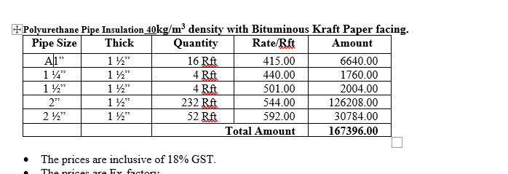
iii | 40mm dia | 702 | - | - | 702 | Rft | 1 | 702 | 2975 | 595 | 702
iv | 50mm dia | 791 | - | - | 791 | Rft | 1 | 791 | 3350 | 670 | 791
v | 60mm dia | 897 | - | - | 897 | Rft | 1 | 897 | 3800 | 760 | 897

S. # | Description | Material Rate | Labour Rate | Over Head profit | Total Rate | Unit | Qty | Amount
 | Brand: PU
 | Polyurethane insulation (PU) on chilled water pipe.
i | 25mm dia | 415 | - | - | 415 | Rft | 1 | 415 | 2390 | 478 | 564
ii | 32mm dia | 440 | - | - | 440 | Rft | 1 | 440 | 2725 | 545 | 643
iii | 40mm dia | 501 | - | - | 501 | Rft | 1 | 501 | 2975 | 595 | 702
iv | 50mm dia | 544 | - | - | 544 | Rft | 1 | 544 | 3350 | 670 | 791
v | 60mm dia | 592 | - | - | 592 | Rft | 1 | 592 | 3800 | 760 | 897

Note: Suppliers' quotations attached.

For PIONEER SERVICES.

Bilal Habib

